Mozambique (North)
 | Mozambique North (Cabo Delgado and Nampula)
 | Seasonal calendar
 | Last updated: | December 2024
 |  |  |  | JAN |  |  |  |  | FEB |  |  |  | MAR |  |  |  |  | APR |  |  |  | MAY |  |  |  | JUN |  |  |  | JUL |  |  |  | AUG |  |  |  | SEP |  |  |  | OCT |  |  |  |  | NOV |  |  |  | DEC |  |  |  |  |  |  | Impact of ENSO
 |  | Notes: | Epi Week: | 1 | 2 | 3 | 4 | 5 | 6 | 7 | 8 | 9 | 10 | 11 | 12 | 13 | 14 | 15 | 16 | 17 | 18 | 19 | 20 | 21 | 22 | 23 | 24 | 25 | 26 | 27 | 28 | 29 | 30 | 31 | 32 | 33 | 34 | 35 | 36 | 37 | 38 | 39 | 40 | 41 | 42 | 43 | 44 | 45 | 46 | 47 | 48 | 49 | 50 | 51 | 52
Climatology (National Average) | Rainfall | Average monthly rainfall (for 1991-2020) |  |  |  |  |  |  |  |  |  |  |  |  |  |  |  |  |  |  |  |  |  |  |  |  |  |  |  |  |  |  |  |  |  |  |  |  |  |  |  |  |  |  |  |  |  |  |  |  |  |  |  |  |  | 300 | 25 | La Niña leads to wetter conditions, espeically in the south. | 0-50 mm | 50-100mm | 200-300mm | >300mm | Source: https://climateknowledgeportal.worldbank.org/country/niger/climate-data-historical
 | Temperature | Mean daytime surface temperture (for 1991-2020) |  |  |  |  |  |  |  |  |  |  |  |  |  |  |  |  |  |  |  |  |  |  |  |  |  |  |  |  |  |  |  |  |  |  |  |  |  |  |  |  |  |  |  |  |  |  |  |  |  |  |  |  |  | 30 | 15 |  | <15°C | 15-23°C | 23-30°C | >30°C | Source: https://climateknowledgeportal.worldbank.org/country/niger/climate-data-historical
Climatology (North: Cabo Delgado and Nampulla) | Rainfall | Average monthly rainfall (for 1991-2020) |  |  |  |  |  |  |  |  |  |  |  |  |  |  |  |  |  |  |  |  |  |  |  |  |  |  |  |  |  |  |  |  |  |  |  |  |  |  |  |  |  |  |  |  |  |  |  |  |  |  |  |  |  | 300 | 25 |  | 0-50 mm | 50-100mm | 200-300mm | >300mm | Source: https://climateknowledgeportal.worldbank.org/country/niger/climate-data-historical
 | Temperature | Mean daytime surface temperture (for 1991-2020) |  |  |  |  |  |  |  |  |  |  |  |  |  |  |  |  |  |  |  |  |  |  |  |  |  |  |  |  |  |  |  |  |  |  |  |  |  |  |  |  |  |  |  |  |  |  |  |  |  |  |  |  |  | 30 | 15 |  | <15°C | 15-23°C | 23-30°C | >30°C | Source: https://climateknowledgeportal.worldbank.org/country/niger/climate-data-historical

Climate & Environmental Hazards | Cyclone | Frequency of recorded cyclones from 1900-2023 |  |  |  |  |  |  |  |  |  |  |  |  |  |  |  |  |  |  |  |  |  |  |  |  |  |  |  |  |  |  |  |  |  |  |  |  |  |  |  |  |  |  |  |  |  |  |  |  |  |  |  |  |  | 22 |  | A strong La Niña that occurs during the cyclone season can increase the strength of Cyclones and can incrase the amount of rainfall they bring, increasing the risk of floods. | Source: https://public.emdat.be/
 | Flooding | Frequency of recorded floods from 1900-2023 |  |  |  |  |  |  |  |  |  |  |  |  |  |  |  |  |  |  |  |  |  |  |  |  |  |  |  |  |  |  |  |  |  |  |  |  |  |  |  |  |  |  |  |  |  |  |  |  |  |  |  |  |  |  |  |  | Source: https://public.emdat.be/
 | Air Pollution | PM2.5 |  |  |  |  |  |  |  |  |  |  |  |  |  |  |  |  |  |  |  |  |  |  |  |  |  |  |  |  |  |  |  |  |  |  |  |  |  |  |  |  |  |  |  |  |  |  |  |  |  |  |  |  |  |  |  |  | <5 | 30 | 60 | 90 | Source: https://www.iqair.com/world-most-polluted-cities?continent=&country=&state=&page=1&perPage=50&cities=
 | Heat Risk Category | Nampulla + Cabo Delgado, Temp & Humiditiy & Pop Risk Category |  |  |  |  |  |  |  |  |  |  |  |  |  |  |  |  |  |  |  |  |  |  |  |  |  |  |  |  |  |  |  |  |  |  |  |  |  |  |  |  |  |  |  |  |  |  |  |  |  |  |  |  |  |  |  |  | 0 | 1 | 2 | 3 | Source: World Bank - Climate Change Knowledge Portal - Temp & Humiditiy & Population based Risk Category (for SSP1-1.9, for the years 2020-2039)

Agriculture (North) | Main crops | Main subsistence crop harvesting |  | Planting and Weeding |  |  |  |  |  |  |  |  |  |  |  |  |  | Green Harvest |  |  |  | Main Harvest |  |  |  |  |  |  |  |  |  |  |  |  |  |  |  |  |  |  |  | Land Preparation |  |  |  |  |  |  |  |  | Planting |  |  |  |  |  |  |  | Source: https://fews.net/southern-africa/mozambique
 | Peak Labour Demand |  |  | Peak Labour Demand |  |  |  |  |  |  |  |  |  |  |  |  |  |  |  |  |  |  |  |  |  |  |  |  |  |  |  |  |  |  |  |  |  |  |  |  |  | Peak Labour Demand |  |  |  |  |  |  |  |  |  |  |  |  |  |  |  |  | Source: https://fews.net/southern-africa/mozambique
 | Milk Production |  |  | Milk Production |  |  |  |  |  |  |  |  |  |  |  |  |  |  |  |  |  |  |  |  |  |  |  |  |  |  |  |  |  |  |  |  |  |  |  |  |  |  |  |  |  |  |  |  |  |  | Milk Production |  |  |  |  |  |  |  | Source: https://fews.net/southern-africa/mozambique
 | Lean season |  |  | Lean Season |  |  |  |  |  |  |  |  |  |  |  |  |  |  |  |  |  |  |  |  |  |  |  |  |  |  |  |  |  |  |  |  |  |  |  |  |  |  |  |  |  |  |  |  |  |  | Lean Season |  |  |  |  |  |  |  | Source: https://fews.net/southern-africa/mozambique

Infectious diseases* | Malaria | National Average for 2018. Avergae for Cuamba, Niassa, from 2010-2018. Malaria prevalence is lower in the south, and peaks later (~March in Maputo) |  |  |  |  |  |  |  |  |  |  |  |  |  |  |  |  |  |  |  |  |  |  |  |  |  |  |  |  |  |  |  |  |  |  |  |  |  |  |  |  |  |  |  |  |  |  |  |  |  |  |  |  |  |  |  | La Niña leads to wetter conditions, espeically in the south and therefore, higher mosquitos and malaria prevalence | Source: https://pmc.ncbi.nlm.nih.gov/articles/PMC10267345/pdf/fpubh-11-1162535.pdf and https://malariajournal.biomedcentral.com/articles/10.1186/1475-2875-10-189 and https://agupubs.onlinelibrary.wiley.com/doi/epdf/10.1029/2020GH000322
 | Cholera | North (Cabo Delgado, Nampulla, Niassa, Sofala and Manika) |  |  |  |  |  |  |  |  |  |  |  |  |  |  |  |  |  |  |  |  |  |  |  |  |  |  |  |  |  |  |  |  |  |  |  |  |  |  |  |  |  |  |  |  |  |  |  |  |  |  |  |  |  |  |  | El Nino can increase temperatures, reduce rainfall and lead to drought conditions, therefore increasing water scarcity and potentially increasing the risk of cholera. La Nina can increase rainfall and causing flooding, which can further distribute cholera if outbreaks do occur. | Source: https://pmc.ncbi.nlm.nih.gov/articles/instance/9090905/bin/mmc1.pdf and
 |  | South (Maputo, Gaza, Inhambane, Zambézia and Tete) |  |  |  |  |  |  |  |  |  |  |  |  |  |  |  |  |  |  |  |  |  |  |  |  |  |  |  |  |  |  |  |  |  |  |  |  |  |  |  |  |  |  |  |  |  |  |  |  |  |  |  |  |  |  |  |  | Source: https://pmc.ncbi.nlm.nih.gov/articles/instance/9090905/bin/mmc1.pdf and
 | Rift Valley Fever | Highest Risk in the Southern States. Risk increases with heavy rains. Monthly outbreak risk modelled from data from 1995–2016. |  |  |  |  |  |  |  |  |  |  |  |  |  |  |  |  |  |  |  |  |  |  |  |  |  |  |  |  |  |  |  |  |  |  |  |  |  |  |  |  |  |  |  |  |  |  |  |  |  |  |  |  |  |  |  | Increased RVF risk after La Nina induced heavy rains due to increased mosquitos | Source: https://pmc.ncbi.nlm.nih.gov/articles/PMC7562817/ and https://pub.epsilon.slu.se/14924/48/moiane_171221.pdf and https://link.springer.com/content/pdf/10.1186/s12985-016-0542-2.pdf
 | Measles | Lacking Data |  |  |  |  |  |  |  |  |  |  |  |  |  |  |  |  |  |  |  |  |  |  |  |  |  |  |  |  |  |  |  |  |  |  |  |  |  |  |  |  |  |  |  |  |  |  |  |  |  |  |  |  |  |  |  |  | Source: https://www.scielosp.org/pdf/csp/2013.v29n2/257-269/en
 | Diarrhoea and Dysentry | Casses highes in Nampulla City from Oct - March |  |  |  |  |  |  |  |  |  |  |  |  |  |  |  |  |  |  |  |  |  |  |  |  |  |  |  |  |  |  |  |  |  |  |  |  |  |  |  |  |  |  |  |  |  |  |  |  |  |  |  |  |  |  |  |  | Source: https://jaehr.muk.ac.ir/article_179881_27acfcfe28f9c537a21da71a6a55f928.pdf
 | Meningitis | Data from 2013/14 combined from 3 hospitals (Maputo, Beira and Nampulla) |  |  |  |  |  |  |  |  |  |  |  |  |  |  |  |  |  |  |  |  |  |  |  |  |  |  |  |  |  |  |  |  |  |  |  |  |  |  |  |  |  |  |  |  |  |  |  |  |  |  |  |  |  |  |  |  | Source: https://pmc.ncbi.nlm.nih.gov/articles/PMC4578858/pdf/pone.0138249.pdf
*Only infectious diseases with evidence of a potential seasonal pattern in Northern Mozambique are represented
Historical data is used to show the relative seasonality in Seasonal Calendars and so this is not a specific forecast for this coming year. However, there may be signifincat inter-year variation and the seasonality of many infectious diseases and natural hazards are changing due to climate change. N.B. Infectious disese risk data can be from studies reporting, incidence, prevalence, case numbers or from mathematical models of outbreak risk.
Other local factors (conflict, displacement, population movements, natural hazards, socio-economic conditions, immunity, vaccination and political factors) modulate disease transmission and must always be taken into account.

MSF projects/Coordination Offices |  | Regions/provinces
as of December 2024 |  | North
 |  | Nampulla | OCG (1)
 |  | Cabo Delgado | OCBA (3), OCB (3)

 |  | Rest of the country
 |  | Sofala | OCB (1)
 |  | Maputo | OCG (1), OCBA (1), OCB (1)

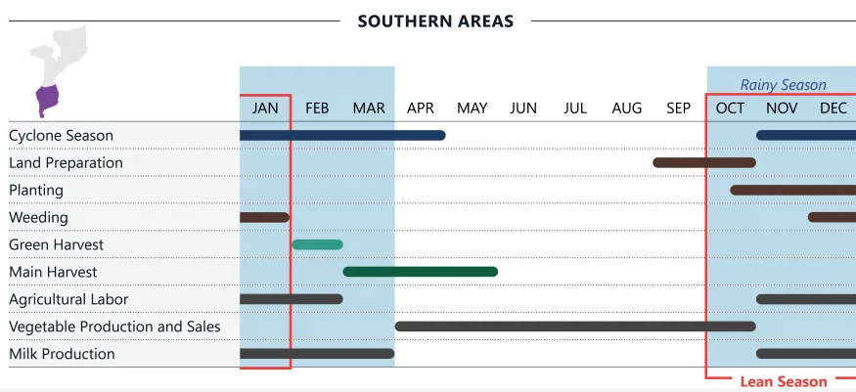
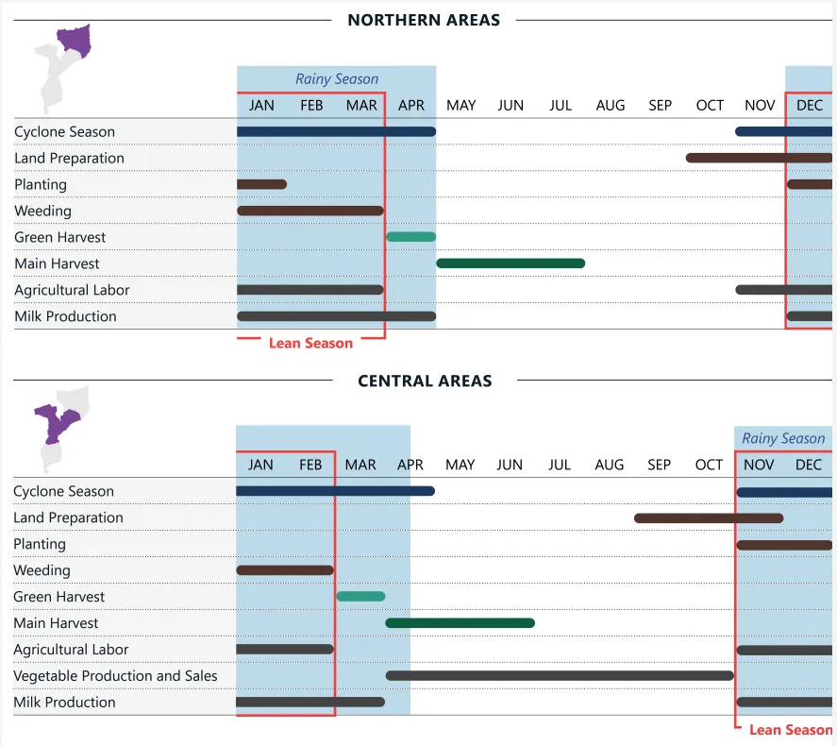

 | Yellow Fever | Yellow Fever is very low risk in Mozambique. Model risk predictions are based on data from 1971-2015, YF Surveillance Database. |  |  |  |  |  |  |  |  |  |  |  |  |  |  |  |  |  |  |  |  |  |  |  |  |  |  |  |  |  |  |  |  |  |  |  |  |  |  |  |  |  |  |  |  |  |  |  |  |  |  |  |  |  |  |  |  | Source: https://journals.plos.org/plosntds/article/file?id=10.1371/journal.pntd.0006284&type=printable

South Africa
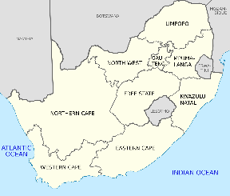
 | South Africa
 | Seasonal calendar
 | Last updated: | December 2024
 |  |  |  | JAN |  |  |  |  | FEB |  |  |  | MAR |  |  |  |  | APR |  |  |  | MAY |  |  |  | JUN |  |  |  | JUL |  |  |  | AUG |  |  |  | SEP |  |  |  | OCT |  |  |  |  | NOV |  |  |  | DEC
 |  | Notes: | Epi week | 1 | 2 | 3 | 4 | 5 | 6 | 7 | 8 | 9 | 10 | 11 | 12 | 13 | 14 | 15 | 16 | 17 | 18 | 19 | 20 | 21 | 22 | 23 | 24 | 25 | 26 | 27 | 28 | 29 | 30 | 31 | 32 | 33 | 34 | 35 | 36 | 37 | 38 | 39 | 40 | 41 | 42 | 43 | 44 | 45 | 46 | 47 | 48 | 49 | 50 | 51 | 52
Climatology | Rainfall | Average monthly rainfall (for 1991-2020) |  |  |  |  |  |  |  |  |  |  |  |  |  |  |  |  |  |  |  |  |  |  |  |  |  |  |  |  |  |  |  |  |  |  |  |  |  |  |  |  |  |  |  |  |  |  |  |  |  |  |  |  |  | 300 | 25 | 0-50 mm | 50-100mm | 200-300mm | >300mm | Source: Source: https://climateknowledgeportal.worldbank.org/country/niger/climate-data-historical
 | Temperature | Mean daytime surface temperture (for 1991-2020) |  |  |  |  |  |  |  |  |  |  |  |  |  |  |  |  |  |  |  |  |  |  |  |  |  |  |  |  |  |  |  |  |  |  |  |  |  |  |  |  |  |  |  |  |  |  |  |  |  |  |  |  |  | 30 | 15 | <15°C | 15-23°C | 23-30°C | >30°C | Source: Source: https://climateknowledgeportal.worldbank.org/country/niger/climate-data-historical

Climate & Environmental Hazards | Cyclone | Frequency of recorded cyclones from 1900-2023 |  |  |  |  |  |  |  |  |  |  |  |  |  |  |  |  |  |  |  |  |  |  |  |  |  |  |  |  |  |  |  |  |  |  |  |  |  |  |  |  |  |  |  |  |  |  |  |  |  |  |  |  |  |  |  | Source: https://public.emdat.be/
 | Flooding | Frequency of recorded floods from 1900-2023 |  |  |  |  |  |  |  |  |  |  |  |  |  |  |  |  |  |  |  |  |  |  |  |  |  |  |  |  |  |  |  |  |  |  |  |  |  |  |  |  |  |  |  |  |  |  |  |  |  |  |  |  |  |  |  | Source: https://public.emdat.be/
 | Air Pollution | Average Monthly PM2.5 levels in Bloemfontein for 2023 |  |  |  |  |  |  |  |  |  |  |  |  |  |  |  |  |  |  |  |  |  |  |  |  |  |  |  |  |  |  |  |  |  |  |  |  |  |  |  |  |  |  |  |  |  |  |  |  |  |  |  |  |  |  |  | <5 | 30 | 60 | 90
 | Air Pollution | Average Monthly PM2.5 levels in Pretoria for 2023 |  |  |  |  |  |  |  |  |  |  |  |  |  |  |  |  |  |  |  |  |  |  |  |  |  |  |  |  |  |  |  |  |  |  |  |  |  |  |  |  |  |  |  |  |  |  |  |  |  |  |  |  |  |  |  | <5 | 30 | 60 | 90
 | Air Pollution | Average Monthly PM2.5 levels in Johannesburg for 2023 |  |  |  |  |  |  |  |  |  |  |  |  |  |  |  |  |  |  |  |  |  |  |  |  |  |  |  |  |  |  |  |  |  |  |  |  |  |  |  |  |  |  |  |  |  |  |  |  |  |  |  |  |  |  |  | <5 | 30 | 60 | 90 | Source: https://www.iqair.com/world-most-polluted-cities?continent=&country=&state=&page=1&perPage=50&cities=
 | Heat Risk for Gauteng | Temp & Humiditiy & Population based Risk Category (SSP1-1.9, 2020-2039) |  |  |  |  |  |  |  |  |  |  |  |  |  |  |  |  |  |  |  |  |  |  |  |  |  |  |  |  |  |  |  |  |  |  |  |  |  |  |  |  |  |  |  |  |  |  |  |  |  |  |  |  |  |  |  | 0 | 1 | 2 | 3

Agriculture | Agriculture | Corn |  |  |  |  |  |  |  |  |  |  |  |  |  |  |  |  |  |  |  | Corn Harvest |  |  |  |  |  |  |  |  |  |  |  |  |  |  |  |  |  |  |  |  |  | Planting Corn (East) |  |  |  |  | Planting Corn (West) |  |  |  |  |  |  |  |  | Source: https://ipad.fas.usda.gov/rssiws/al/crop_calendar/safrica.aspx
 | Agriculture | Cotton and Peanuts |  |  |  |  |  |  | Peanut Harvest |  |  |  |  |  |  |  |  |  |  |  |  | Cotton Harvest |  |  |  |  |  |  |  |  |  |  |  |  |  |  |  |  |  |  |  | Cotton and Peanut Planting |  |  |  |  |  |  |  |  |  |  |  |  |  |  |  | Source: https://ipad.fas.usda.gov/rssiws/al/crop_calendar/safrica.aspx
...

Southern DRC
