République Centrafricaine
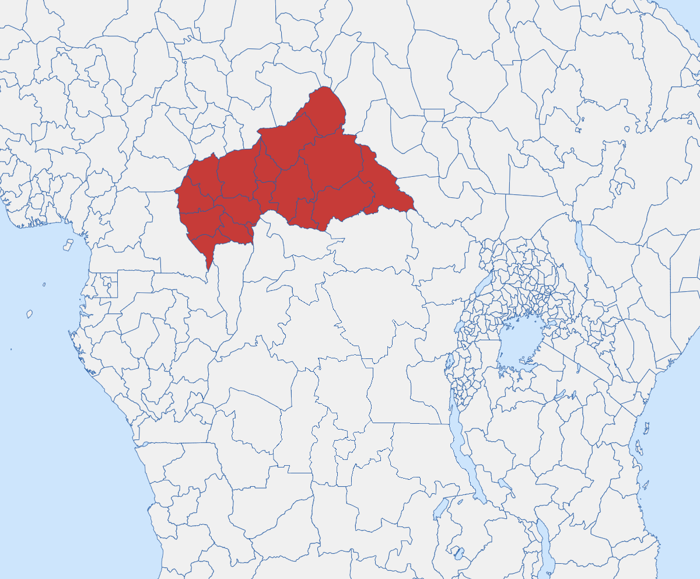
 |  | République centrafricaine
 |  | Calendrier saisonnier
 |  | Dernière mise à jour: janvier 2025 |  |  | Saison sèche (nov-mar) |  |  |  |  |  |  |  |  |  |  |  |  |  | Saison des pluies (avr-oct) |  |  |  |  |  |  |  |  |  |  |  |  |  |  |  |  |  |  |  |  |  |  |  |  |  |  |  |  | Saison sèche (nov-mar)
 |  |  |  |  | JAN |  |  |  |  | FEV |  |  |  | MAR |  |  |  |  | AVR |  |  |  | MAI |  |  |  | JUN |  |  |  | JUL |  |  |  | AOU |  |  |  | SEP |  |  |  | OCT |  |  |  |  | NOV |  |  |  | DEC |  |  |  |  | Regional
 |  |  | Notes: | Epi week | 1 | 2 | 3 | 4 | 5 | 6 | 7 | 8 | 9 | 10 | 11 | 12 | 13 | 14 | 15 | 16 | 17 | 18 | 19 | 20 | 21 | 22 | 23 | 24 | 25 | 26 | 27 | 28 | 29 | 30 | 31 | 32 | 33 | 34 | 35 | 36 | 37 | 38 | 39 | 40 | 41 | 42 | 43 | 44 | 45 | 46 | 47 | 48 | 49 | 50 | 51 | 52 | Min | Max
Climatologie | Pluviométrie |  | Pluviométrie mensuelle moyenne (mm) |  | 7 |  |  |  |  | 15 |  |  |  | 55 |  |  |  |  | 99 |  |  |  | 147 |  |  |  | 166 |  |  |  | 202 |  |  |  | 236 |  |  |  | 220 |  |  |  | 183 |  |  |  |  | 37 |  |  |  | 7 |  |  |  |  |  |  | Source: https://climateknowledgeportal.worldbank.org/country/central-african-republic/climate-data-historical
 | Température |  | Average mean surface temperature (1991-2022) for rest of country |  | 24.6 |  |  |  |  | 26.7 |  |  |  | 27.7 |  |  |  |  | 27.5 |  |  |  | 26.6 |  |  |  | 25.3 |  |  |  | 24.5 |  |  |  | 24.2 |  |  |  | 24.4 |  |  |  | 24.9 |  |  |  |  | 25.0 |  |  |  | 24.4 |  |  |  |  |  |  | Source: https://climateknowledgeportal.worldbank.org/country/central-african-republic/climate-data-historical
 | Température (Nord-Est) |  | Température moyenne (1991-2022) for North-East States (Vakaga, Bamingui-Bangoran, Nana-Gribizi, Ouham) |  | 25.3 |  |  |  |  | 27.7 |  |  |  | 29.3 |  |  |  |  | 29.3 |  |  |  | 28.1 |  |  |  | 26.5 |  |  |  | 25.4 |  |  |  | 24.9 |  |  |  | 25.3 |  |  |  | 25.9 |  |  |  |  | 25.8 |  |  |  | 25.1 |  |  |  |  |  |  | Source: https://climateknowledgeportal.worldbank.org/country/central-african-republic/climate-data-historical

Météo Extrême | Inondation |  |  |  |  |  |  |  |  |  |  |  |  |  |  |  |  |  |  |  |  |  |  |  |  |  |  |  |  |  |  |  |  |  |  |  |  |  |  |  |  |  |  |  |  |  |  |  |  |  |  |  |  |  |  |  |  |  | Source: EMDAT: 2003-2023 (public.emdat.be)
 | Sécheresse |  | Water Stress highest Nov-Feb. Drought risk highest in the North. Both 1983 and 2022 severe droughts started in Feb |  |  |  |  |  |  |  |  |  |  |  |  |  |  |  |  |  |  |  |  |  |  |  |  |  |  |  |  |  |  |  |  |  |  |  |  |  |  |  |  |  |  |  |  |  |  |  |  |  |  |  |  |  |  |  | Source: EMDAT: 2003-2023 (public.emdat.be), https://climateknowledgeportal.worldbank.org/sites/default/files/2021-06/15875-WB_Central%20Africa%20Republic%20Country%20Profile-WEB.pdf
 | Chaleur extrême (Vakaga) |  | Avg # of days >HI35°C for the rest of the country. A Heat Index is a measure of how hot it feels once humidity is factored in with air temperature. |  | 0 |  |  |  |  | 0 |  |  |  | 1 |  |  |  |  | 5 |  |  |  | 9 |  |  |  | 4 |  |  |  | 1 |  |  |  | 0 |  |  |  | 0 |  |  |  | 0 |  |  |  |  | 0 |  |  |  | 0 |  |  |  |  | 0 | 10 | Source: World Bank - Climate Change Knowledge Portal - Avgerage number of days >HI35°C on the SSP1-1.9 scenario for 2020-2039
 | Chaleur extrême (reste du pays) |  | Avg # of days >HI35°C for the rest of the country. A Heat Index is a measure of how hot it feels once humidity is factored in with air temperature. |  | 0 |  |  |  |  | 1 |  |  |  | 2 |  |  |  |  | 3 |  |  |  | 2 |  |  |  | 1 |  |  |  | 0 |  |  |  | 0 |  |  |  | 0 |  |  |  | 0 |  |  |  |  | 0 |  |  |  | 0 |  |  |  |  | 0 | 10 | Source: World Bank - Climate Change Knowledge Portal - Avgerage number of days >HI35°C on the SSP1-1.9 scenario for 2020-2039
 | Pollution de l'air |  | Concentration quotidienne de PM2.5 (µg/m³) ; Les lignes directrices de l’OMS sur la qualité de l’air (2021) recommandent <15 µg/m³ pour éviter les effets nocifs. |  | 40.4 |  |  |  |  | 42.7 |  |  |  | 41.6 |  |  |  |  | 27.2 |  |  |  | 20.0 |  |  |  | 25.0 |  |  |  | 23.8 |  |  |  | 18.2 |  |  |  | 17.7 |  |  |  | 19.9 |  |  |  |  | 28.2 |  |  |  | 39.6 |  |  |  |  |  |  | Source: Shen et al. 2024
 | Wildfire Risk |  |  |  | Very high |  |  |  |  | very high |  |  |  | Very high |  |  |  |  | Medium |  |  |  | Low |  |  |  | Very low |  |  |  | Very low |  |  |  | Very low |  |  |  | Very low |  |  |  | Very low |  |  |  |  | Medium |  |  |  | Very high |  |  |  |  |  |  | Source: IFRC Global Risk Platform (seasonal)

Nutrition | Agriculture |  | Major Foodcrops: Banana, Maize, Paddy Rice, Sorghum, Sweet Potato |  |  |  |  |  |  |  | Land Preparation and Sowing |  |  |  |  |  |  |  | Growing |  |  |  |  |  |  |  |  |  |  |  | July-Sept Harvest: (Peanut, Banana, Pumpkin, Bean, Cowpea, Bambara nut) Aug-Oct Harvest: (Yam, Sesame, Sweet potato) |  |  |  |  |  |  |  |  |  |  |  |  |  |  |  |  |  |  |  |  |  |  |  |  |  |  |  | Sources: https://www.fao.org/giews/countrybrief/country.jsp?lang=en&code=CAF; FAO https://data-in-emergencies.fao.org/documents/hqfao::central-african-republic-agricultural-calendar/about and USDA: https://ipad.fas.usda.gov/countrysummary/default.aspx?id=CT and https://www.acaps.org/en/thematics/all-topics/seasonal-calendar
 |  |  |  |  | ...Coffee and Cotton |  |  |  |  |  |  |  |  |  |  |  |  |  | Land Preparation and Sowing |  |  |  |  |  |  |  |  | Growing |  |  |  |  |  |  |  |  |  |  |  |  |  |  |  | Oct-Jan Harvest: Millet, Cassava, Sorghum… |  |  |  |  |  |  |  |  |  |  |  |  |  |  | Sources: https://www.fao.org/giews/countrybrief/country.jsp?lang=en&code=CAF; FAO https://data-in-emergencies.fao.org/documents/hqfao::central-african-republic-agricultural-calendar/about and USDA: https://ipad.fas.usda.gov/countrysummary/default.aspx?id=CT and https://www.acaps.org/en/thematics/all-topics/seasonal-calendar
 | Saison de soudure |  |  |  |  |  |  |  |  |  |  |  |  |  |  |  |  |  |  |  |  |  | Lean Season (South) |  |  |  |  |  |  |  |  |  |  |  | Lean Season (North) |  |  |  |  |  |  |  |  |  |  |  |  |  |  |  |  |  |  |  |  |  |  |  | Sources: https://www.fao.org/giews/countrybrief/country.jsp?lang=en&code=CAF; FAO https://data-in-emergencies.fao.org/documents/hqfao::central-african-republic-agricultural-calendar/about and USDA: https://ipad.fas.usda.gov/countrysummary/default.aspx?id=CT and https://www.acaps.org/en/thematics/all-topics/seasonal-calendar
 | Transhumance |  | Transhumance is the seasonal movement of people with their livestock. |  |  |  |  |  |  |  |  | Internal Transhumance |  |  |  |  |  |  |  |  |  |  |  |  |  |  |  |  |  |  |  |  |  |  |  |  |  |  |  |  |  |  |  |  |  |  |  |  | Internal Transhumance |  |  |  |  |  |  |  |  |  | Source: Transhumant pastroralism and protected areas in Central Africa from conflict to peaceful coexistance Jean HUCHON, Rémi Evaliste JIAGHO, Deblondet D. BLEU and Manfred EPANDA
 | Transhumance trans-frontalière |  | Many pastoralists arrive from DRC to settle in the Chinko area from December to May |  | Peak cross border transhumance, migration and labour demand |  |  |  |  |  |  |  |  |  |  |  |  |  |  |  |  |  |  |  |  |  |  |  |  |  |  |  |  |  |  |  |  |  |  |  |  |  |  |  |  |  |  |  |  |  |  |  |  |  |  |  |  |  | Source: Transhumant pastroralism and protected areas in Central Africa from conflict to peaceful coexistance Jean HUCHON, Rémi Evaliste JIAGHO, Deblondet D. BLEU and Manfred EPANDA

Maladies infectieuses* | Vectorielles | Malaria | Endémique toute l'année, avec un pic de transmission de juin à novembre. An. gambiae est le principal vecteur, P. falciparum représente 99,6 % des cas. |  |  |  |  |  |  |  |  |  |  |  |  |  |  |  |  |  |  |  |  |  |  |  |  |  |  |  |  |  |  |  |  |  |  |  |  |  |  |  |  |  |  |  |  |  |  |  |  |  |  |  |  |  |  |  | Source: https://link.springer.com/content/pdf/10.1186/s12936-017-2005-7.pdf
 |  | Fièvre de la vallée du Rift | Outbreak risk shown for just the northern state of Vakava. Outbreak risk is very low across the rest of the country. |  |  |  |  |  |  |  |  |  |  |  |  |  |  |  |  |  |  |  |  |  |  |  |  |  |  |  |  |  |  |  |  |  |  |  |  |  |  |  |  |  |  |  |  |  |  |  |  |  |  |  |  |  |  |  | Source: https://pmc.ncbi.nlm.nih.gov/articles/PMC7562817/#sec0115 and https://www.ijidonline.com/action/showPdf?pii=S1201-9712%2820%2930587-7
 |  | Fièvre jaune | Vectors: Mostly Ae. Aegypti (in urban Bangui), Ae. Vittatus, Ae. Africanus, and A. Simpsoni in tropical rainforest |  |  |  |  |  |  |  |  |  |  |  |  |  |  |  |  |  |  |  |  |  |  |  |  |  |  |  |  |  |  |  |  |  |  |  |  |  |  |  |  |  |  |  |  |  |  |  |  |  |  |  |  |  |  |  | Source: EMDAT: 2003-2023 (public.emdat.be) and https://journals.plos.org/plosntds/article/file?id=10.1371/journal.pntd.0006284&type=printable and https://link.springer.com/content/pdf/10.1186/s13071-020-3985-7.pdf and https://iris.who.int/bitstream/handle/10665/69113/WHO_CDS_2005.36a_(Profile).pdf
 | Zoonotiques | Ebola | Modelled Ebola Outbreak Risk for Eastern CAR . EVD outbreak risk is seasonal, peaking at the end of the wet seasons, marked by fruit abundance. However, food scarcity in the lean season increases bushmeat consumption and also increases outbreak risk. |  |  |  |  |  |  |  |  |  |  |  |  |  |  |  |  |  |  |  |  |  |  |  |  |  |  |  |  |  |  |  |  |  |  |  |  |  |  |  |  |  |  |  |  |  |  |  |  |  |  |  |  |  |  |  | Source: https://ars.els-cdn.com/content/image/1-s2.0-S1755436519300222-mmc1.pdf
 |  |  | Western CAR | Modelled Ebola Outbreak Risk for Western CAR . EVD outbreak risk is seasonal, peaking at the end of the wet seasons, marked by fruit abundance. However, food scarcity in the lean season increases bushmeat consumption and also increases outbreak risk. |  |  |  |  |  |  |  |  |  |  |  |  |  |  |  |  |  |  |  |  |  |  |  |  |  |  |  |  |  |  |  |  |  |  |  |  |  |  |  |  |  |  |  |  |  |  |  |  |  |  |  |  |  |  | Source: https://ars.els-cdn.com/content/image/1-s2.0-S1755436519300222-mmc1.pdf
 |  | M-pox | Seasonality of outbreak starting month, in decidious forest areas of CAR, of all outbreaks of M-Pox recorded from 1970-2022. |  |  |  |  |  |  |  |  |  |  |  |  |  |  |  |  |  |  |  |  |  |  |  |  |  |  |  |  |  |  |  |  |  |  |  |  |  |  |  |  |  |  |  |  |  |  |  |  |  |  |  |  |  |  |  | Source: https://pmc.ncbi.nlm.nih.gov/articles/instance/11060470/bin/23-0293-Techapp-s1.pdf
 | Hydriques | Hépatite E | Outbreak data from 2008-2012, and from Em-dat for 2002 and 2018 |  |  |  |  |  |  |  |  |  |  |  |  |  |  |  |  |  |  |  |  |  |  |  |  |  |  |  |  |  |  |  |  |  |  |  |  |  |  |  |  |  |  |  |  |  |  |  |  |  |  |  |  |  |  |  | Source: EMDAT: 2003-2023 (public.emdat.be) https://link.springer.com/content/pdf/10.1186/s12879-020-04961-4.pdf
 |  | Choléra | From 1997 outbreak data, and Em-dat data for 2011 and 2016 |  |  |  |  |  |  |  |  |  |  |  |  |  |  |  |  |  |  |  |  |  |  |  |  |  |  |  |  |  |  |  |  |  |  |  |  |  |  |  |  |  |  |  |  |  |  |  |  |  |  |  |  |  |  |  | Source: EMDAT: 2003-2023 (public.emdat.be) https://www.researchgate.net/profile/Marie-Laure-Quilici/publication/13236916_Emergence_of_Cholera_in_the_Central_African_Republic/links/0deec5294df3531e43000000/Emergence-of-Cholera-in-the-Central-African-Republic.pdf
 | Par voie aérienne | Rougeole | Outbreaks from 2007-2015 |  |  |  |  |  |  |  |  |  |  |  |  |  |  |  |  |  |  |  |  |  |  |  |  |  |  |  |  |  |  |  |  |  |  |  |  |  |  |  |  |  |  |  |  |  |  |  |  |  |  |  |  |  |  |  | Source: EMDAT: 2003-2023 (public.emdat.be), https://www.ncbi.nlm.nih.gov/pmc/articles/PMC6426189/pdf/pone.0213735.pdf
 |  | Méningite | Most cases of recent S. Pneumoniae, then H. Influenzae, followed by N. Meningitidis |  |  |  |  |  |  |  |  |  |  |  |  |  |  |  |  |  |  |  |  |  |  |  |  |  |  |  |  |  |  |  |  |  |  |  |  |  |  |  |  |  |  |  |  |  |  |  |  |  |  |  |  |  |  |  | Source: EMDAT: 2003-2023 (public.emdat.be) https://www.thelancet.com/pdfs/journals/langlo/PIIS2214-109X(16)30064-X.pdf and https://www.ncbi.nlm.nih.gov/pmc/articles/PMC6480959/pdf/wellcomeopenres-3-16584.pdf and https://www.frontiersin.org/journals/neurology/articles/10.3389/fneur.2023.1088182/full and https://theses.hal.science/tel-02950924/file/KOUTANGNI_Thibaut_2019.pdf
*Only infectious diseases with a potential seasonal pattern in the Central African Republic are represented
Historical data is used to show the relative seasonality in Seasonal Calendars and so this is not a specific forecast for this coming year. However, there may be signifincat inter-year variation and the seasonality of many infectious diseases and natural hazards are changing due to climate change. N.B. Infectious disese risk risk data can be from studies reporting, incidence, prevalence, case numbers or from mathematical models of outbreak risk.
Other local factors (conflict, displacement, population movements, natural hazards, socio-economic conditions, immunity, vaccination and political factors) modulate disease transmission and must always be taken into account.
...
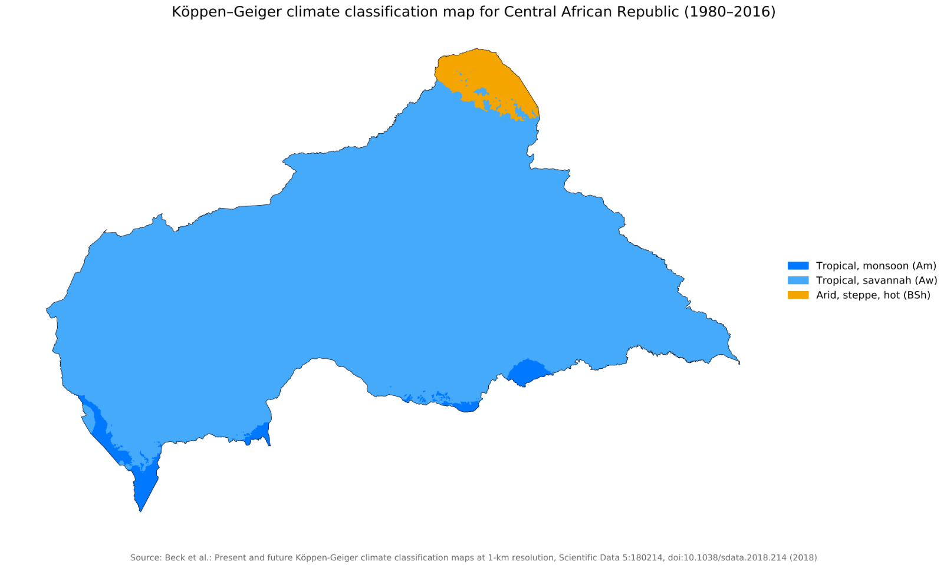

Est RDC
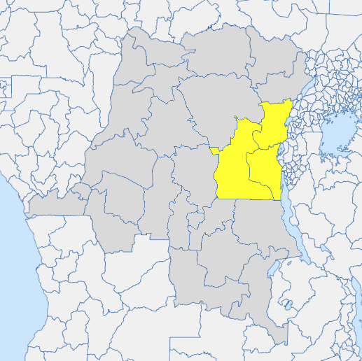
 |  | East RDC (Nord Kivu, Sud Kivu, Maniema)
 |  | Calendrier saisonnier
 |  | Dernière mise à jour: janvier 2025 |  |  | Dry (hotter) season late Jan-Feb
 |  |  |  |  | JAN
 |  |  | Notes: | Epi week | 1 | 2
Climatologie | Pluviométrie |  | Average monthly rainfall from 1991-2022 |  | 149
 | Temperature |  | Average monthly temperature from 1991-2022 |  | 22.4

Météo Extrême | Inondation |  | Risk of floods from 22 flood events in EMDAT database. Lake related floods mainly around Tanganyika
 | Pollution de l'air |  | PM2.5 daily concentration (µg/m3); WHO 2021 Air Quality Guidelines recommend <15µg/m3 to avoid harm. |  | 36.8
 | Wildfire Risk (coutnry-wide) |  | PM2.5 daily concentration (µg/m3); WHO 2021 Air Quality Guidelines recommend <15µg/m3 to avoid harm. |  | Low
 | Heat Index >30 |  | Avg # of days >HI35°C for the rest of the country. A Heat Index is a measure of how hot it feels once humidity is factored in with air temperature. |  | 0

Nutrition | Agriculture |  | East-Central Area (From FEWSNET). Rice is a key food crop in DRC for rural and urban consumers with Kinshasa and Lumbashi being largeconsuming areas. Primarily pluvial or rain-fed cultivation strategy, with most production zones are in the Kivus (~30% all national production), and Tshopo and Mongala. Consumption needs cannot be met by national production, and so, half of the country’s rice is imported or replaced by maize, cassava and sweet potato. |  | Cassava Harvest
 |  |  |  |  | Season A Harvest: Maize, beans, Groundnuts, Rice
...
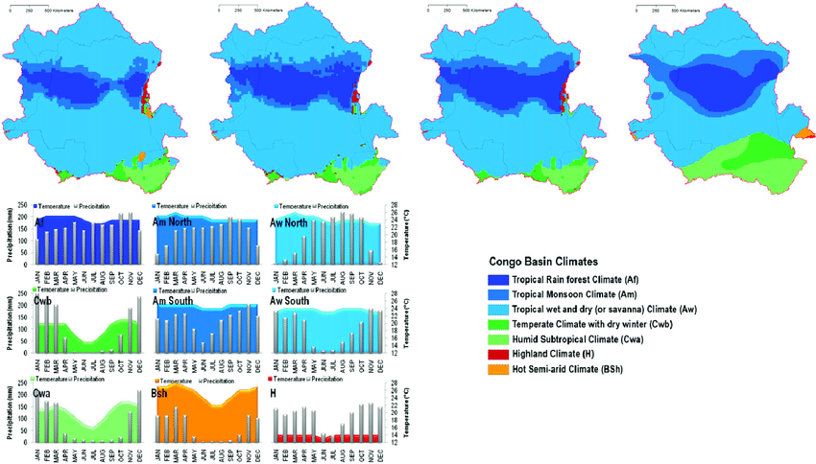

Nord-Est RDC
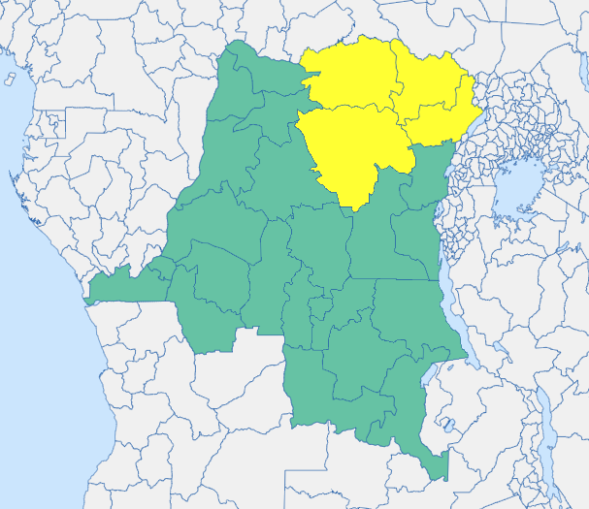
 |  | Nord-Est de la RDC (Ituru, Tshopo, Bas Uele, Haut Uele)
 |  | Calendrier Saisonnier
 |  | Dernière mise à jour: janvier 2025 |  |  | Dry (hotter) season Jan-Feb
 |  |  |  |  | JAN
 |  |  | Notes: | Epi week | 1 | 2
Climatologie | National Average Rainfall |  | National average monthly rainfall from 1991-2022 |  | 45
 | Temperature |  |  |  | 24.8

Météo Extrême | Inondation
 | Pollution de l'air |  | PM2.5 daily concentration (µg/m3); WHO 2021 Air Quality Guidelines recommend <15µg/m3 to avoid harm. |  | 43.0
 | Wildfire Risk (coutnry-wide) |  |  |  | Low
 | Heat Index |  | Avg # of days >HI35°C for the rest of the country. A Heat Index is a measure of how hot it feels once humidity is factored in with air temperature. |  | 0

Nutrition | Agriculture |  | Cassava |  | Cassava Harvest
 |  |  | Rice, Maize, Groundnuts, Beans: Rice is a key food crop in DRC for rural and urban consumers with Kinshasa and Lumbashi being largeconsuming areas. Primarily pluvial or rain-fed cultivation strategy, with most production zones are in the Kivus (~30% all national production), and Tshopo and Mongala. Consumption needs cannot be met by national production, and so, half of the country’s rice is imported or replaced by maize, cassava and sweet potato. |  | Season A Harvest: Maize, beans, Groundnuts, Rice
...

Sud-Ouest RDC
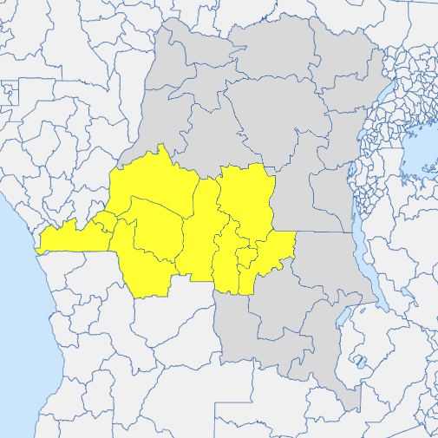
 |  | Sud-Ouest de la RDC (Kinshasa, Mai-Ndombe, Kwilu, Kwango, Kongo Central, Kasai, Kasai-Central, Lomami, Sankuru, Kasai-Oriental)
 |  | Calendrier Saisonnier
 |  | Dernière mise à jour: janvier 2025
 |  |  |  |  | JAN
 |  |  | Notes: | Epi week | 1 | 2
Climatologie | Pluviométrie |  | National average monthly rainfall from 1991-2022. Colour scale is relative to the range of the region. |  | 162
 | Température |  |  |  | 24.8

Météo Extrême | Inondation |  | National level flood risk data.
 | Pollution de l'air |  | PM2.5 daily concentration (µg/m3); WHO 2021 Air Quality Guidelines recommend <15µg/m3 to avoid harm. |  | 30.5
 | Wildfire Risk (coutnry-wide) |  | PM2.5 daily concentration (µg/m3); WHO 2021 Air Quality Guidelines recommend <15µg/m3 to avoid harm. |  | Low
 | Chaleur extrême (Mai-Ndombe) |  | Avg # of days >HI35°C for the rest of the country. A Heat Index is a measure of how hot it feels once humidity is factored in with air temperature. |  | 0
 | Chaleur extrême (reste du region) |  | Avg # of days >HI35°C for the rest of the country. A Heat Index is a measure of how hot it feels once humidity is factored in with air temperature. |  | 0

Nutrition | Agriculture |  | Maize - Only for Sankuru province |  | Maize (harvest)
...

Nord-Ouest RDC
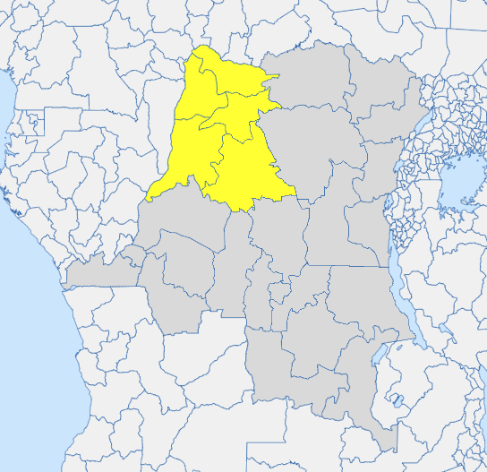
 |  | Nord-Ouest de la RDC (Mongala, Equateur, Nord Ubangi, Sud Ubangi, Tshuapa)
 |  | Calendrier Saisonnier
 |  | Dernière mise à jour: janvier 2025 |  |  | Dry (hotter) season Jan-Feb
 |  |  |  |  | JAN
 |  |  | Notes: | Epi week | 1 | 2 | 3
Climatologie | National Average Rainfall |  | National average monthly rainfall from 1991-2022 |  | 64
 | Temperature |  |  |  | 25.2

Météo Extrême | Inondation
 | Pollution de l'air |  | PM2.5 daily concentration (µg/m3); WHO 2021 Air Quality Guidelines recommend <15µg/m3 to avoid harm. |  | 42.3
 | Wildfire Risk (coutnry-wide) |  |  |  | Low
 | Heat Index |  | Avg # of days >HI35°C for the rest of the country. A Heat Index is a measure of how hot it feels once humidity is factored in with air temperature. |  | 0

Nutrition | Agriculture |  | Main season (Maize)
 |  |  | Second Season (Maize)
...

Sud-Est RDC
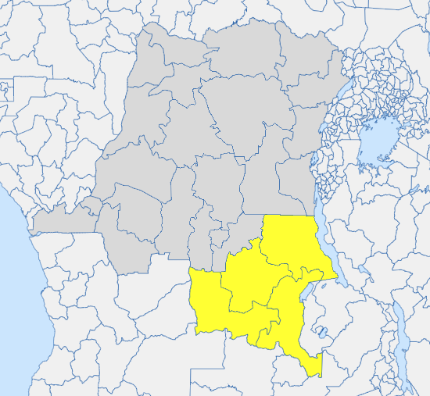
 |  | Sud-est de la RDC (Tanganyika, Haut-Lomami, Lualaba, Haut-Katanga)
 |  | Calendrier saisonnier
 |  | Dernière mise à jour: janvier 2025
 |  |  |  |  | JAN
 |  |  | Notes: | Epi week | 1 | 2 | 3
Climatologie | Pluviométrie |  | Pluviométrie moyenne mensuelle 1991-2022 |  | 191
 | Température |  | Température moyenne mensuelle |  | 23.2

Météo Extrême | Inondation |  | Seasonal Flooding
 | Pollution de l'air |  | PM2.5 daily concentration (µg/m3); WHO 2021 Air Quality Guidelines recommend <15µg/m3 to avoid harm. |  | 22.9
 | Wildfire Risk (coutnry-wide) |  | PM2.5 daily concentration (µg/m3); WHO 2021 Air Quality Guidelines recommend <15µg/m3 to avoid harm. |  | Low
 | Heat Index |  | Avg # of days >HI35°C for the rest of the country. A Heat Index is a measure of how hot it feels once humidity is factored in with air temperature. |  | 0

Nutrition | Agriculture |  |  |  | Planting and weeding
 |  |  | Cassava Harvest |  | Cassava Sowing
...

